Record Type
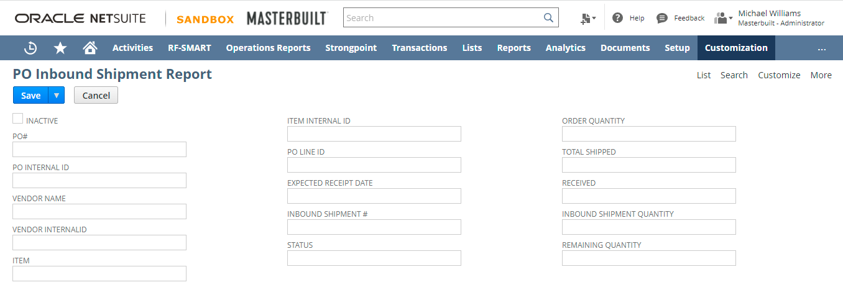
Custom Record Name | ID
PO Inbound Shipment Report | customrecord_cr_poinboundshipmentreport

 |  | Field Name | Type | ID
 |  | PO# | Free-Form Text | custrecord_ponumber
 |  | PO Internal ID | Integer Number | custrecord_pointernalid
 |  | Vendor Name | Free-Form Text | custrecord_vendorname
 |  | Vendor Internal ID | Integer Number | custrecord_vendorinternalid
 |  | Item | Free-Form Text | custrecord_critem
 |  | Item Internal ID | Integer Number | custrecord_iteminternalid
 |  | PO Line ID | Integer Number | custrecord_polineid
 |  | Expected Receipt Date | Date | custrecord_expecteddate
 |  | Inbound Shipment # | Integer Number | custrecord_inboundshipmentno
 |  | Status | Free-Form Text | custrecord_status
 |  | Order Quantity | Integer Number | custrecord_ordquantity
 |  | Total Shipped | Integer Number | custrecord_totalshipped
 |  | Received | Integer Number | custrecord_received
 |  | Inbound Shipment Quantity | Integer Number | custrecord_inboundshipqty
 |  | Remaining Quantity | Integer Number | custrecord_remainqty

User Event Script - 1
 | Custom Script Name | Type | ID
 | PO Inbound Shipment Report | User Event (After Submit) | customscript_ue_poinboundshipment

Script Screenshot
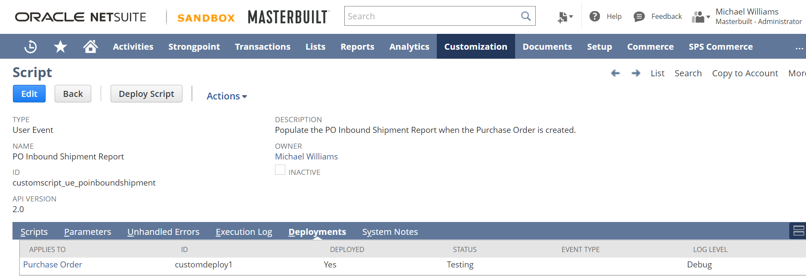

Script Functionality

Creates a custom PO Inbound Shipment Record.
Retrieves the fields from the purchase order and populates the following fields
PO#
PO Internal ID
Vendor Name
Vendor Internal ID
Item
Item Internal ID
PO Line ID
Expected Receipt Date
Order Quantity
Total Shipped
Received

Scheduled Script - 1
 | Custom Script Name | Type | ID
 | Inbound Shipment Update | Scheduled | customscript_ss_updateinboundshipment

Script Screenshot
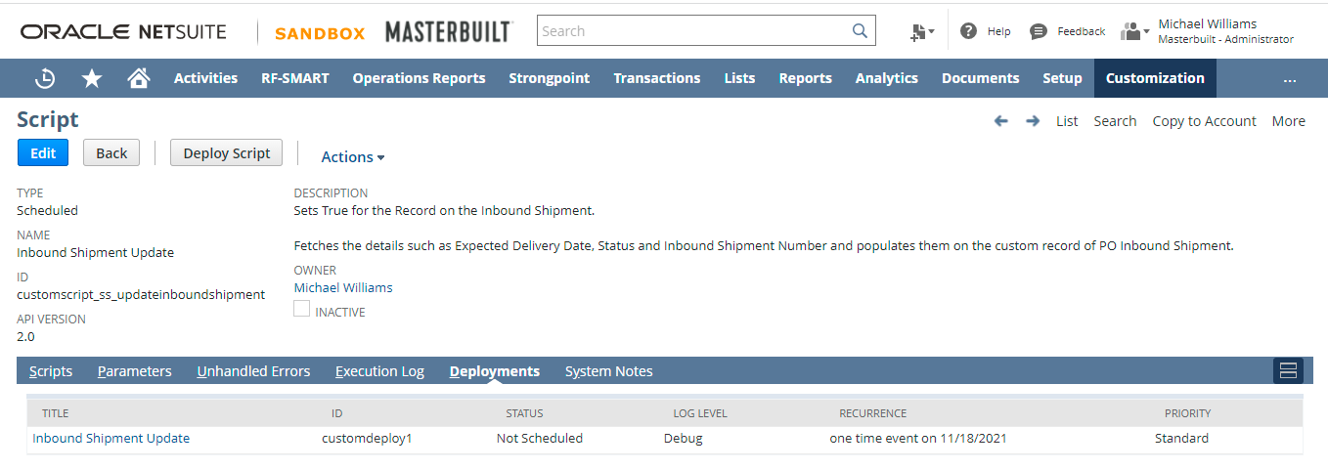

Script Functionality

The script updates the inbound shipment number, expected receipt date, and status on the custom po inbound shipment report.
After updating the custom po inbound shipment report, it updates the other sublist field record on added on Inbound Shipments.

Scheduled Script - 2
 | Custom Script Name | Type | ID
 | Update Status | Scheduled | customscript_ss_updatestatus

Script Screenshot
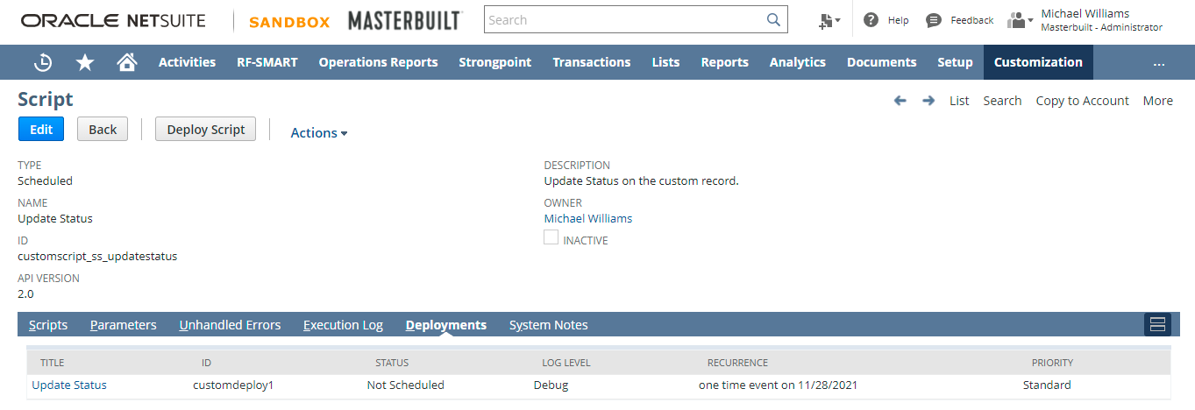

Script Functionality

Retrieves the following fields from inbound shipment number and updates the custom PO Inbound Shipment Report.
1. Status
2. Expected Receipt Date
3. Quantity Received
4. Total Shipped.

Client Script -1
 | Custom Script Name | Type | ID
 | Update PO Line Fields | Client (Field Changed) | customscript_cs_updpoline

Script Screenshot

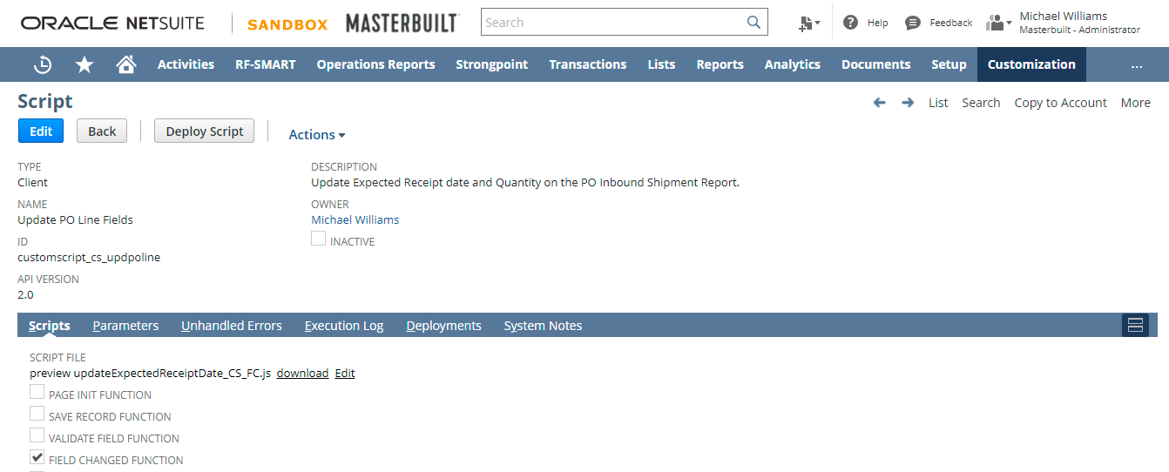

Script Functionality
When the Expected Receipt Date is changed on the purchase order which doesn't have inbound shipment created.
then date from the purchase order line is populated on the custom PO Inbound Shipment Report.
When the Quantity is changed on the purchase order which doesn't have inbound shipment created.
then updated quantity from the purchase order line is populated on the custom PO Inbound Shipment Report.

Scheduled Script - 3
 | Custom Script Name | Type | ID
 | Load Open Purchase Orders | Scheduled | customscript_ss_loadopenpurchaseorders

Script Screenshot
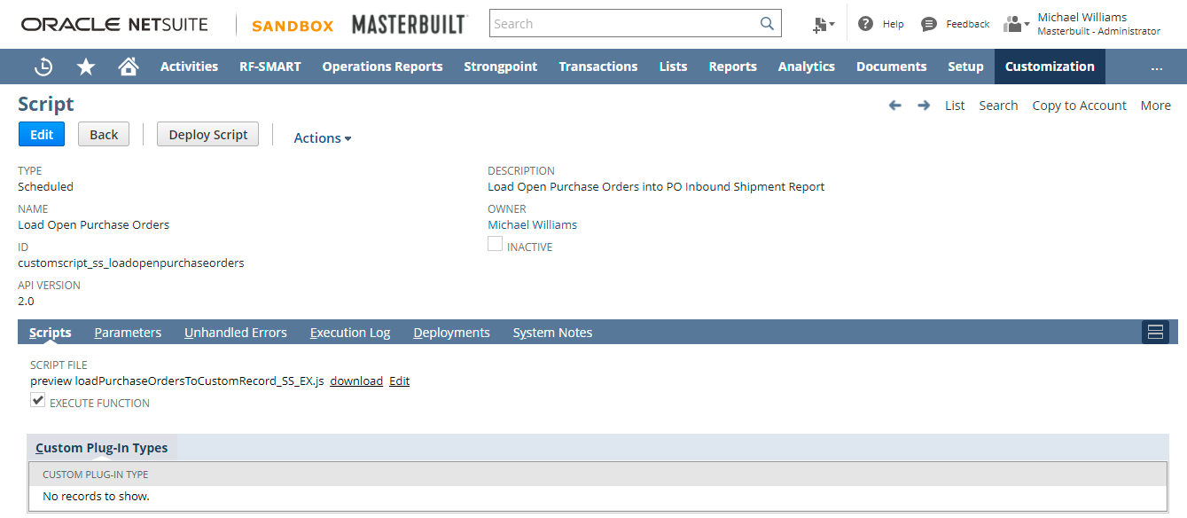

Script Functionality
Loads the Open Purchase Orders into the Custom PO Inbound Shipment Report.
Criteria
Purchase Order is Open
Quantity is greater than Quantity Received.

